Reference
Image-1: | Decap Placement and Routing Recommendation
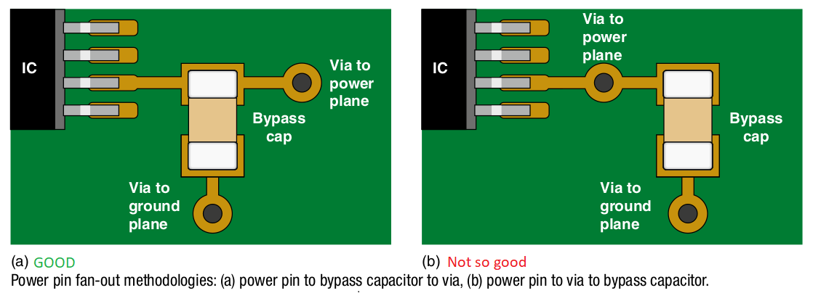

Image-2: | Recommended "Via" Stitching Fences
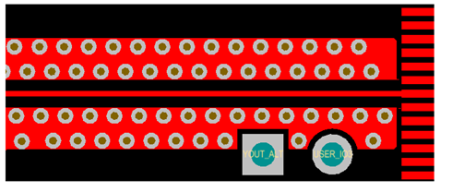

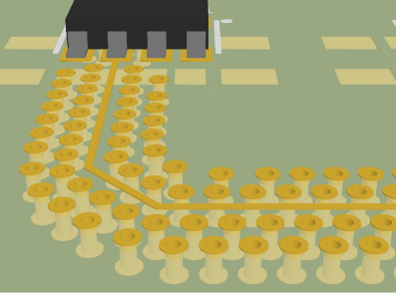

Image-3: | Unconnected or floating or Dead Copper Pour (Island)
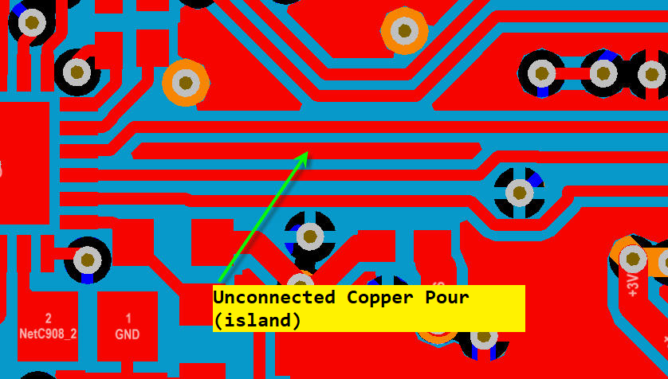

Image-4: | Copper Pour - Peninsula
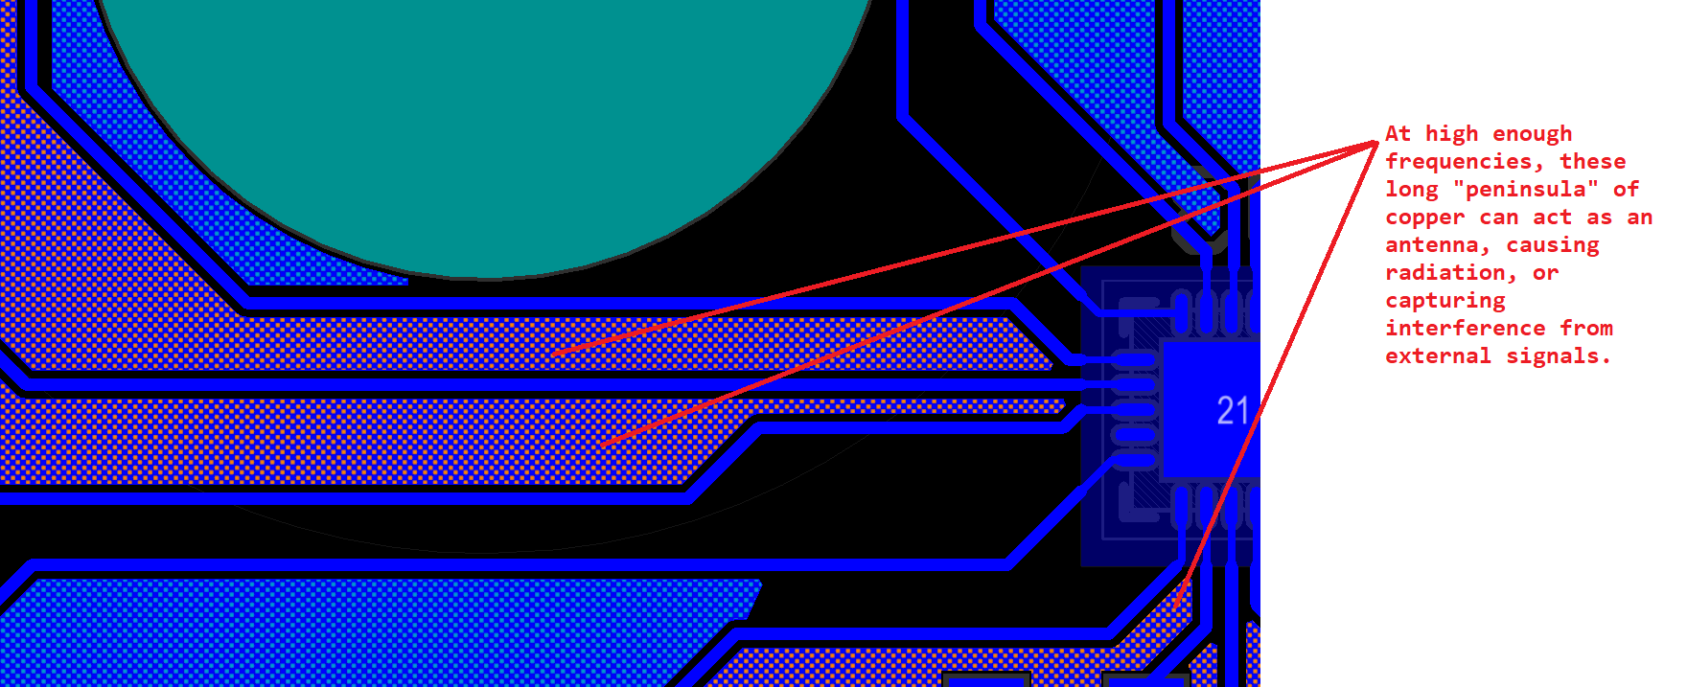

FCC KDB : Reference-1
KDB Publication 996369: FCC Link : https://apps.fcc.gov/oetcf/kdb/forms/FTSSearchResultPage.cfm?switch=P&id=44637 Question: What is the FCC guidance for equipment authorization of transmitter module devices, and equipment that incorporates transmitter modules? Answer: 996369 D01 Module Certification Guide v02. Provides guidance for equipment authorization applications for modular transmitters per Section 15.212. 996369 D02 Module Q&A v01. Provides additional guidance in a question and answer format. 996369 D03 OEM Manual v01 — Guidance for instructions provided by grantees to host manufacturers. * 996369 D04 Module Integration Guide v01. Guidance to host manufacturers for integrating modules into their products. Attachment List: 996369 D01 Module Certification Guide v02 996369 D02 Module Q&A v01 996369 D03 OEM Manual v01 996369 D04 Module Integration Guide v01 FCC expects all integrators to do a small subset of testing to ensure their use of the Module does not exceed FCC limits/requirements.

